1. Title Page
[Instacart Grocery Basket Analysis ]

Project Name: Instacart Grocery Basket Analysis Date:07/04/2022
Analyst Name:

Contents:
Population Flow
Consistency checks
Wrangling steps
Column derivations
Visualizations
Recommendations

Data Source:
Citation (required in your final report): “The Instacart Online Grocery Shopping Dataset 2017”, Accessed on 10/26/2021 from:
https://www.instacart.com/datasets/grocery-shopping-2017

Objective:
Instacart is an online grocery store that operates through an app. It already has very good sales, but they want to uncover more information about their sales patterns. As a data analyst, I would perform an initial data and exploratory analysis of some of their data in order to derive insights and suggest strategies for better segmentation based on the provided criteria.

2. Population Flow
Title page

Population flow

Exclusion flag
Condition: max_order < 5
Obervations to be removed: 1,358,561
Final total count of order_products_all: 29,266,394

Orders_products_combined
Orders_products_merged
Orders_products_all

Total: 32,399,727
Total: 32,434,489
Total: 30,624,955

3. Consistency checks
 |  |  |  | Title page
Consistency checks

Dataset | Missing values | Missing values treatment | Duplicates
orders | 206209 NaNs in column of days_since_prior_order | Created a new flag (first_order) to mark the reason | No duplicates
products | 16 NaNs in column of product_name | Created a subset without NaNs | Removed 5 duplicates
products | prices > 30 doesn't make any sense. | Created a subset without price>30
orders_products_prior | No NaNs | - | No duplicates
customers | 11259 NaNs | Created a subset without NaNs | No duplicates

4. Wrangling steps
 |  |  |  | Title page
Wrangling steps

Columns dropped | Columns renamed | Columns' type changed | Comment/Reason
eval_set |  |  | orders dataframe: not needed for further analysis
 | order_dow: orders_day_of_week |  | orders dataframe: change to more intuitive name
 |  | order_id, user_id,order_number, orders_day_of_week, order_time_of_day, days_since_prior_order, first_order | orders dataframe: change to save memory space
 |  | product_id, reordered | order_products__prior dataframe: change to save memory space
 |  | product_id, aisle_id, department_id, prices | product dataframe: change to save memory space
_merge |  |  | orders_products_combined dataframe: not needed for further analysis
 | order_hour_of_day: order_time_of_day |  | orders dataframe: change to more intuitive name
date_joined |  |  | customers dataframe: not needed for further analysis
 | First Name:first_name |  | customers dataframe: change to more consistent name with other columns
 | Surnam : last_name |  | customers dataframe: change to more consistent name with other columns
 | Gender:gender |  | customers dataframe: change to more consistent name with other columns
 | Age : age |  | customers dataframe: change to more consistent name with other columns
 | fam_status:family_status |  | customers dataframe: change to more consistent name with other columns
 | STATE: state |  | customers dataframe: change to more consistent name with other columns
 |  | user_id, age, n_dependants | customers dataframe: change to save memory space
first_name |  |  | customer_orders_production_merge dataframe: change to avoid PII
last_name |  |  | customer_orders_production_merge dataframe: change to avoid PII
 |  | days_since_prior_order, prices, spending, frequency, max_order | customer_orders_production_merge dataframe: change to save memory space

5. Column derivations
 |  |  |  | Title page

Column derivations and aggregations

Dataset | New column | Column/s it was derived from | Conditions
ords_prods_merge | busiest_day | orders_day_of_week | if orders_day_of_week with most order then 'Busiest day' else if orders_day_of_week with least order then 'Least busy' else 'Regularly busy'
ords_prods_merge | busiest_days | orders_day_of_week | if orders_day_of_week with most orders then 'Busiest days' else if orders_day_of_week with least orders then 'Least busy days' else 'Regularly busy'
ords_prods_merge | busiest_period_of_day | order_time_of_day | if order_time_of_day is between 10-16 then 'Most orders' else if order_time_of_day is less than 5 then 'Fewest orders' else 'Average orders'
ords_prods_merge | loyalty_flag | max_order | if max_order > 40, then 'Loyal customer' if 40 >= max_order > 10, then 'Regular customer' if max_order <=10, then 'New customer'
ords_prods_merge | spending_flag | spending | if spending < 10, then 'Low spender' if spending >= 10, then 'High spender'
ords_prods_merge | frequency_flag | frequency | if frequency > 20, then 'Non-frequent customer' if 20 >= frequency > 10, then 'Regular customer' if frequency <=10, then 'Frequent customer'
customer_orders_production_merge | activity_flag | max_order | if max_order < 5, then 'low_activity' if max_order >= 5, then 'normal_activity'
customer_orders_production_merge | region | state | States are categorized within a specific regions: 'South', 'West', 'Midwest', 'Northeast'
final_df | age_group | age | if max_order is between 18-24, then '18-24' if max_order is between 25-34, then '25-34' if max_order is between 35-44, then '35-44' if max_order is between 45-54, then '45-54' if max_order is between 55-64, then '55-64' if max_order is between 65-74, then '65-74' if max_order is above 75, then '> 75'
final_df | income_group | income | if income < 50000, then 'low <50K' if 100000 > income >= 50000, then 'low/middle 50-100K' if 150000 > income >= 100000, then 'middle/high 100-150K' if income >= 150000, then 'high >150K'
final_df | customer_profile | age, family_status, n_dependants | if age >= 65, then 'retired' if age < 65 & 'not married' & n_dependants=0, then 'single adult, no kid(s)' if age < 65 & 'married' & n_dependants>0, then 'married, with kid(s)' if age is 18-24 & n_dependants>0, then 'young parent'
final_df | customer_profile_income | age, family_status, n_dependants, income | if age >= 65, then 'retired' if age < 65 & 'not married' & n_dependants=0 & income < 50000, then 'single, low income' if age < 65 & 'not married' & n_dependants=0 & 100000 > income >= 50000, then 'single, low/middle income' if age < 65 & 'not married' & n_dependants=0 & 150000 > income >= 100000 , then 'single, middle/high income' if age < 65 & 'not married' & n_dependants=0 & income >= 150000, then 'single, high income' if age < 65 & 'married' & n_dependants>0 & income < 50000, then 'married, low income' if age < 65 & 'married' & n_dependants>0 & 100000 > income >= 50000, then 'married, low/middle income' if age < 65 & 'married' & n_dependants>0 & 150000 > income >= 100000 , then 'married, middle/high income' if age < 65 & 'married' & n_dependants>0 & income >= 150000, then 'married, high income' if age between 18-24 & n_dependants>0 & income < 50000, then 'young parent, low income' if age between 18-24 & n_dependants>0 & 100000 > income >= 50000, then 'young parent, low/middle income' if age between 18-24 & n_dependants>0 & 150000 > income >= 100000 , then 'young parent, middle/high income' if age between 18-24 & n_dependants>0 & income >= 150000, then 'young parent, high income'
final_df | Department Popularity | department | if department = produce/ dairy eggs/ snacks/ beverages/ frozen, then 'Top' else 'Normal'
final_df | ordering_day_of_week | orders_day_of_week | 0=Saturday, 1=Sunday, 2=Monday, 3= Tuesday, 4=Wednesday, 5= Thursday, 6= Friday
merge_with_customer_profile | price_range | prices | if prices =1-5, then '1-5 USD', if prices =5-10, then '5-10 USD' if prices =10-15, then '10-15 USD' if prices >15, then '>15 USD'

6. Visualizations
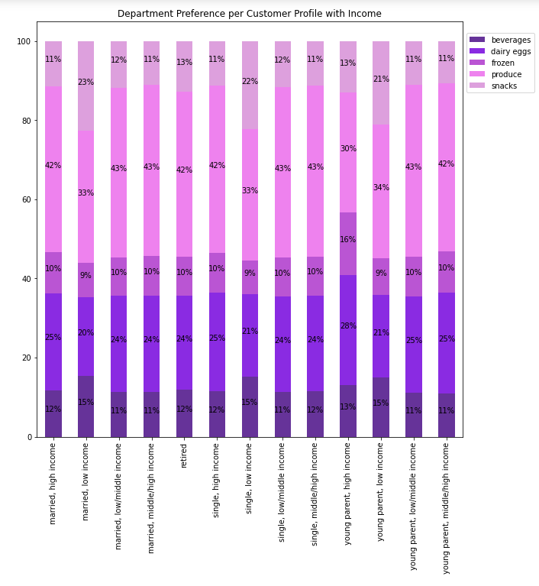
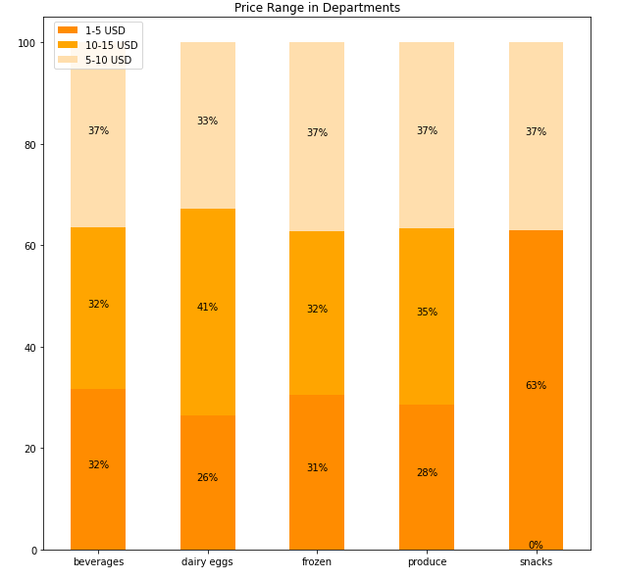
 |  |  |  |  | Title page

Visualisations

Question 1 | What are the busiest days of the week and hours of the day?

 | Observation
 | Most orders are placed on the weekend (Saturday and Sunday) while least orders are placed in the middl of the week (Tuesday and Wednesday).
 | The busiest hours of the day are between 9-16.

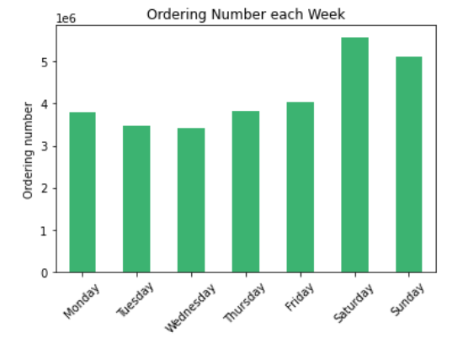
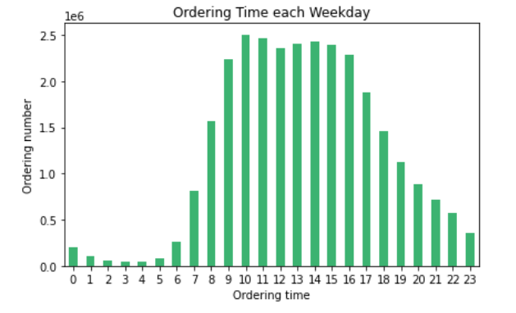

Question 2 | Are there particular times of the day when people spend the most money?

 | Observation
 | Customers spend the most money on Saturday and in time period of 9-16, which align with the order tendency.
 | However, the difference of total spending is more significant than the ordering number each week.
 | Even though some customers order grocery in the middle of week, they purchase mainly products with low-range prices.
 | No big difference is found between order and spending tendency in a day.
 | Customers spend less around 12 and after 17.

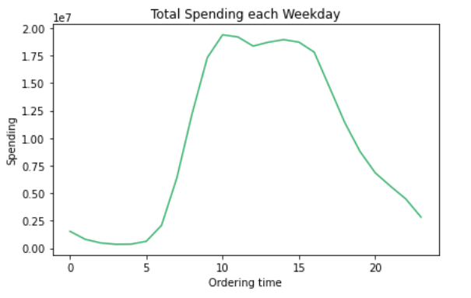
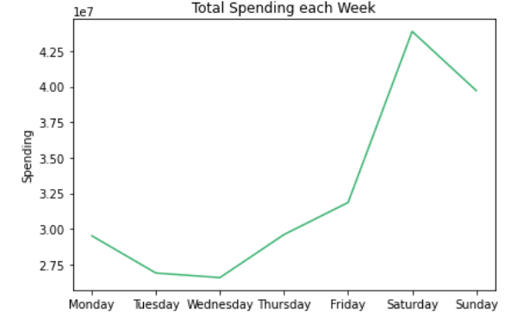

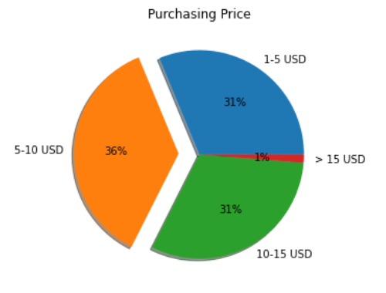

Question 3 | Instacart want to use simpler price range groupings to help direct their efforts.

 | Observation
 | Around 98% of goods that customers buy cost between 1-15 USD.
 | Around 67% of purchased goods belong to low-medium price (1-10 USD) products.

Question 4 | Which departments have the highest frequency of product orders? Are there certain types of products that are more popular than others?

 | Observation
 | Department, which has the highest frequency of product orders, is the produce department.
 | Followed by dairy, snacks, beverages and frozen departments.
 | Least popular departments are personal care, babies, international, alcohol, pets and bulk departments.
 | Top 50 Best Sellers make up 2.7% of total revenue.

 |  |  | Top 50 Best-Sellers | Total Expenditure
 |  |  | Organic Genoa Salami | $65,470
 |  |  | Sweet Cream Salted Butter | $65,280
 |  |  | Penne Pasta | $65,120
 |  |  | Classic Yellow Mustard | $65,000
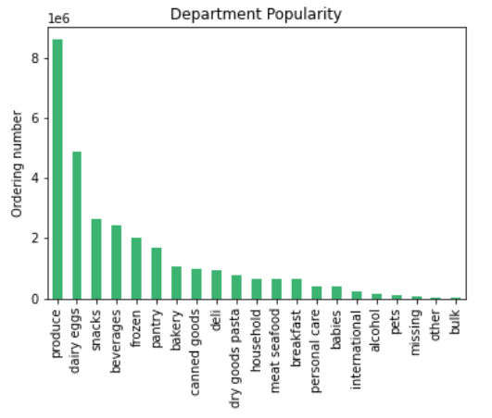
 |  |  | Lemon Verbena Dish Soap | $64,860
 |  |  | Yobaby Organic Plain Yogurt | $64,860
 |  |  | Organic Shells And White Cheddar | $64,830
 |  |  | Organic 1% Low Fat Milk | $64,640
 |  |  | Chocolate Chip Cookie Dough Ice Cream | $64,480
 |  |  | Organic Chicken Strips | $64,450
 |  |  | Chocolate Chip Cookies | $64,300
 |  |  | Gluten Free White Sandwich Bread | $64,300
 |  |  | 100% Grated Parmesan Cheese | $64,220
 |  |  | Organic No Salt Added Diced Tomatoes | $64,220
 |  |  | Hint Of Sea Salt Almond Nut Thins | $64,200
 |  |  | Medium Scarlet Raspberries | $64,030
 |  |  | Mild Italian Chicken Sausage | $63,870
 |  |  | Lowfat Small Curd Cottage Cheese | $63,740
 |  |  | Large Greenhouse Tomato | $63,420
 |  |  | Unsalted Cultured Butter | $63,360
 |  |  | Large Grade AA Eggs | $63,070
 |  |  | Sweet Potatoes | $63,070
 |  |  | Organic Homestyle Waffles | $63,040
 |  |  | Organic & Raw Strawberry Serenity Kombucha | $62,880
 |  |  | Organic Reduced Fat Omega-3 Milk | $62,700
 |  |  | Gluten Free 7 Grain Bread | $62,530
 |  |  | Organic Pinto Beans | $62,500
 |  |  | Fresh CA Grown Eggs | $62,460
 |  |  | Vitamin Water Zero Squeezed Lemonade | $62,300
 |  |  | Organic Romaine | $62,270
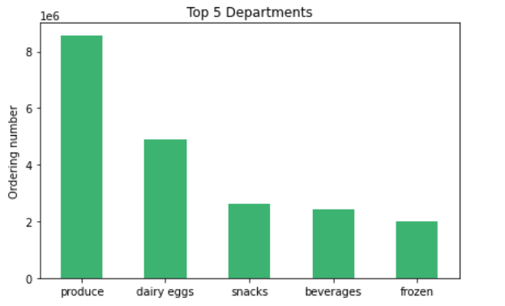
 |  |  | Creamy Almond Butter | $62,240
 |  |  | Organic Green Seedless Grapes | $62,240
 |  |  | Baby Seedless Cucumbers | $62,180
 |  |  | Mint | $61,980
 |  |  | Organic Plain Kefir | $61,980
 |  |  | Chicken Tenders | $61,700
 |  |  | Organic Greek Nonfat Yogurt With Mixed Berries | $61,470
 |  |  | Uncured Hickory Smoked Bacon | $61,440
 |  |  | Organic Stringles Mozzarella String Cheese | $61,300
 |  |  | Bunny Pasta with Yummy Cheese Macaroni & Cheese | $61,250
 |  |  | Chicken Thighs | $61,100
 |  |  | Baby Portabella Mushrooms | $61,000
 |  |  | Select-A-Size White Paper Towels | $60,930
 |  |  | Heavy Cream | $60,900
 |  |  | Organic Cottage Cheese | $60,700
 |  |  | Blueberry on the Bottom Nonfat Greek Yogurt | $60,640
 |  |  | Kids Organic Chocolate Chip ZBars | $60,540
 |  |  | All Natural Virgin Lemonade | $60,500
 |  |  | Hazelnut Spread With Skim Milk & Cocoa | $60,500
 |  |  | Almonds & Sea Salt in Dark Chocolate | $60,380

Question 5 | What’s the distribution among users in regards to their brand loyalty (i.e., how often do they return to Instacart)?

 | Observation
 | 68% customers (Frequent customers) purchase groceries within 10 days, while only 9% customers (Non-Frequent customers) over 20 days.
 | It is a good sign that Instacart has high ratio of loyal customers.

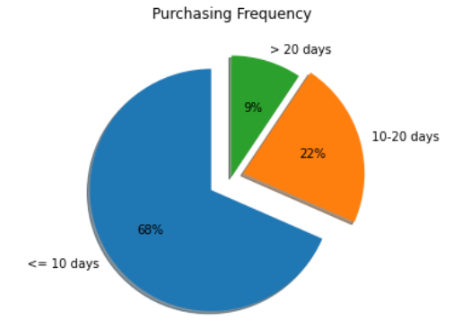

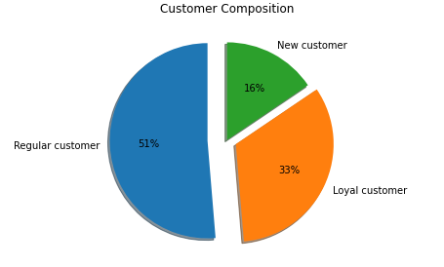

Question 6 | Are there differences in ordering habits based on a customer’s loyalty status?

 | Observation
 | Loyalty status is categorized based on their maximal order number.
 | > 40 would be categorized as loyal customers while <= 10 woule be categorized as new customers. 10-40 would be categorzized as regular customers.
 | The ratio of frequent customers (<= 10 days) among regular customers indicates that
 | these customers could possibly turn to loyal customer in the long run, since they purchase every 10 days and their maximal orders are between 10-40 orders.
 | It is only about time that they would turn into loyal customers.
 | Regular customers spend the most among all loyalty status. This might result from the customer composition of Instacart.
 | 51% of Instacart's customers are regular customers and all customers have almost the same price preference, so total expenditure of them would also be the most.
 | No significant difference in purchasing price preference among loyalty status is found.

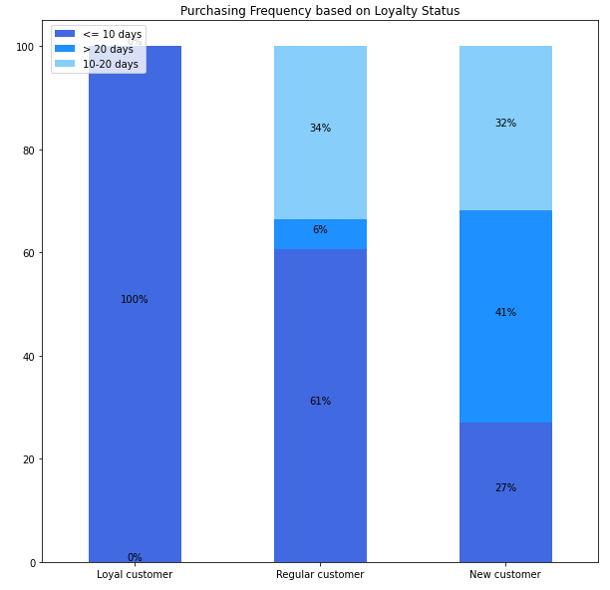
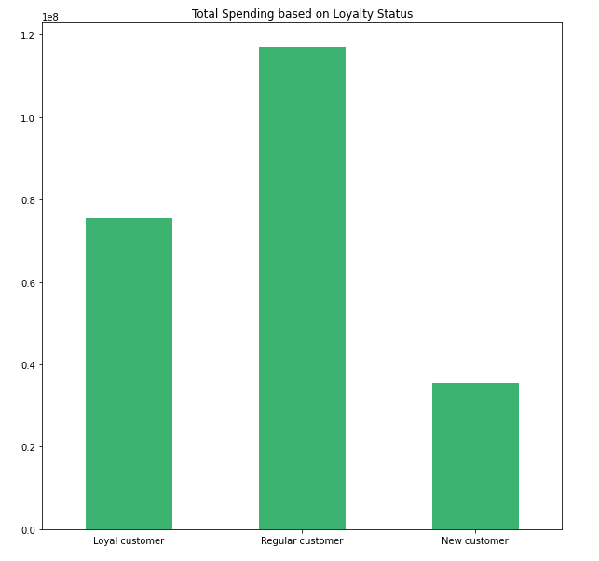
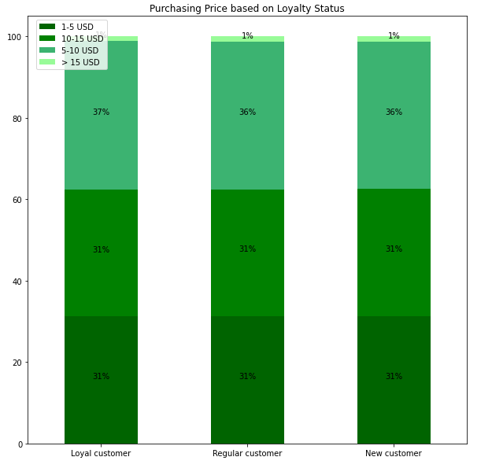

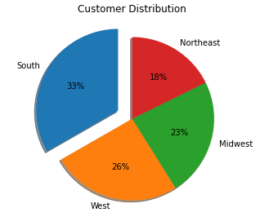

Question 7 | Are there differences in ordering habits based on a customer’s region?

 | Observation
 | No significant differences in ordering habits (order number, purchase frequency, purchase price) is found in regions.
 | Customers come mostlt from South, then West and Midwest. The least come from Northeast.
 | According to statistiks (https://www.statista.com/statistics/240766/regional-distribution-of-the-us-population/),
 | The composition of population distribution in USA in 2019: South(38%), West(24%), Midwest(21%), Northeast(17%).
 | However, the composition of our sales number is South(33%), West(26%), Midwest(23%), Northeast(18%).
 | Sales performance in South is relatively poor than the other regions.

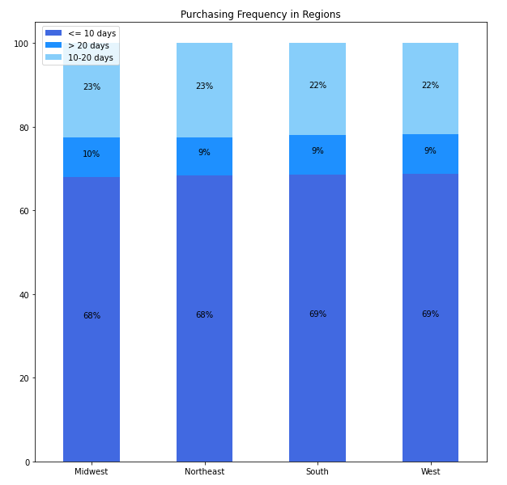
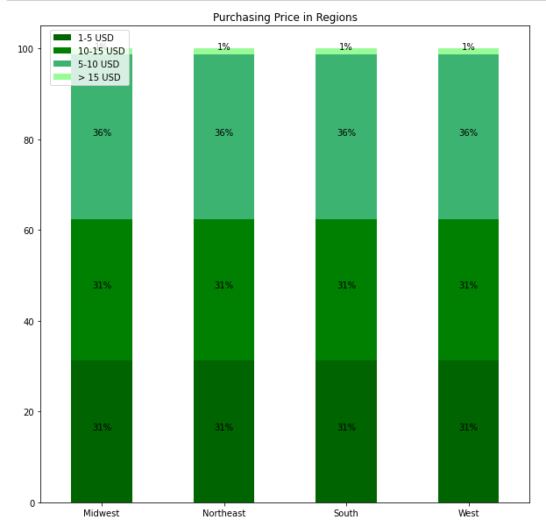
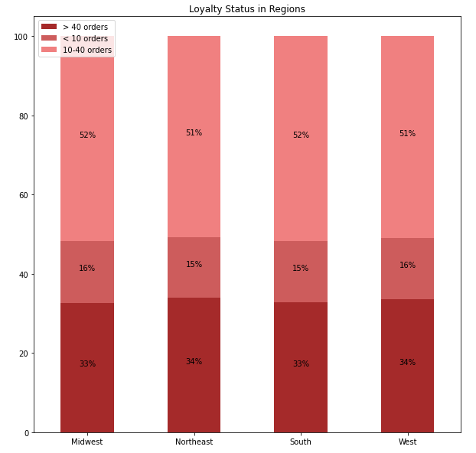

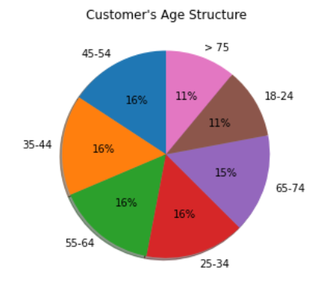
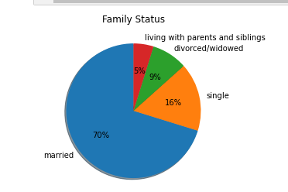

Question 8 | Is there a connection between age and family status in terms of ordering habits?

 | Observation
 | No significant ratio difference among age and family groups in terms of ordering habits ( order frequency, order number, purchase price) is found.
 | We have less customers between 18-24 and over 75 years old, so it makes sense that ordering number from these two groups is relatively less than the other groups.
 | 70% customers are married, so ordering number comes mostly from this family status even though the ordering habit is similar among all family status.

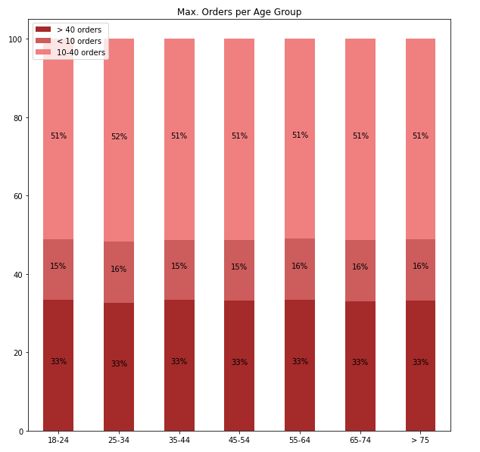
 | Age in terms of ordering habits
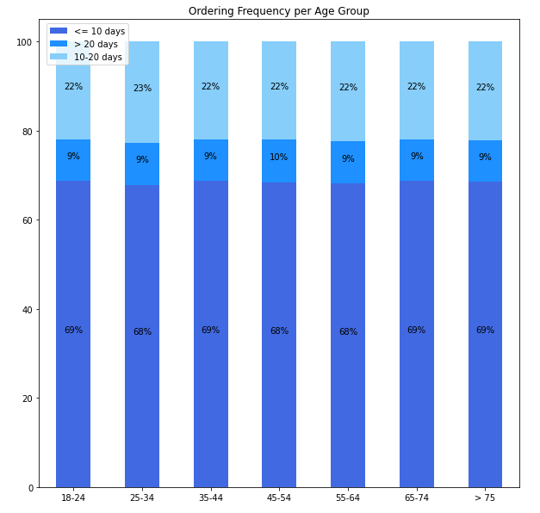
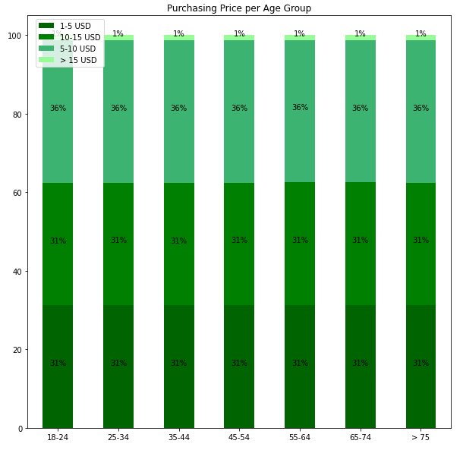

 | Family status in terms of ordering habits
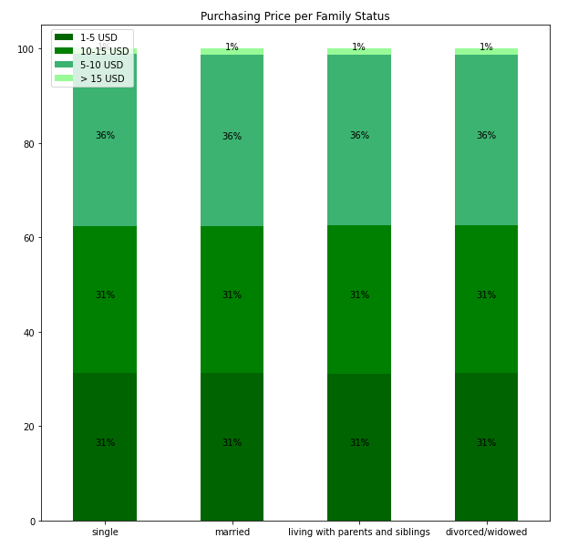
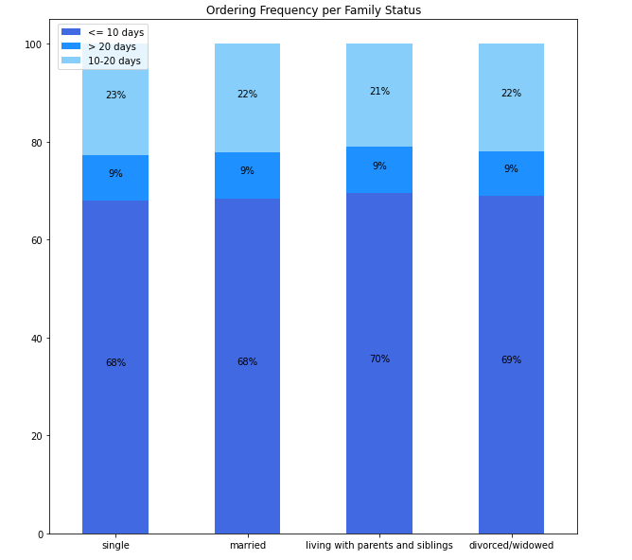
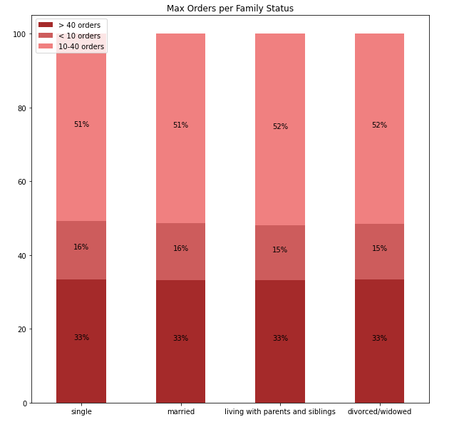

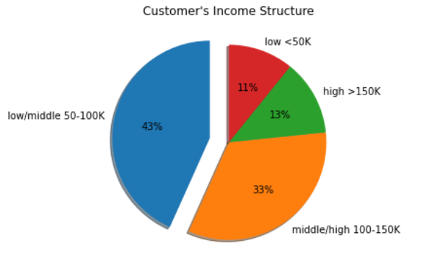

Question 9 | What different classifications does the demographic information suggest? Age? Income? Certain types of goods? Family status?

 | Observation
 | No significant ratio difference is found from the comparison of age, department and family status.
 | However, income has obvious influence on customer's purchasing behavior.
 | Low-income customers have especially different purchasing behavior than the other income groups.
 | They don't purchase so often and have less orders then the other groups.
 | Moreover, they tend to buy more snacks and beverage, less dairy eggs, frozen and produce products.

 | Age vs Certain types of goods |  | Income vs Certain types of goods

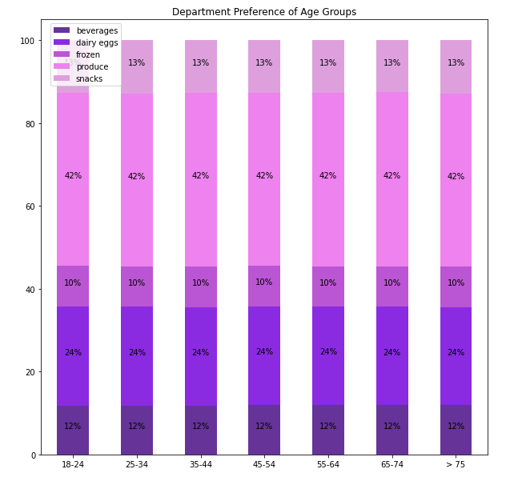
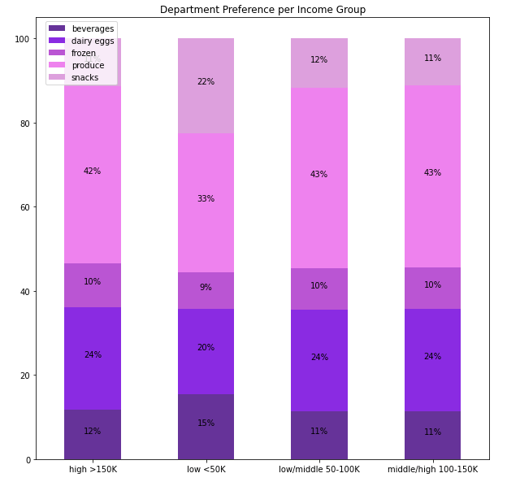

 | Income vs Ordering habit

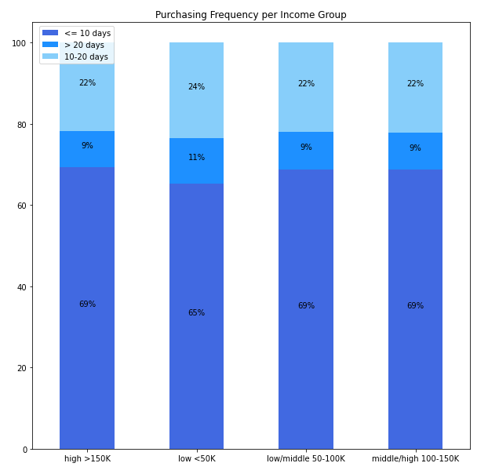
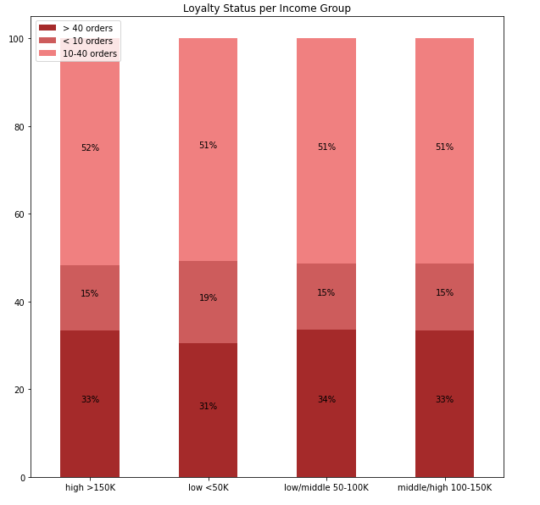

 | Family status vs Certain types of goods

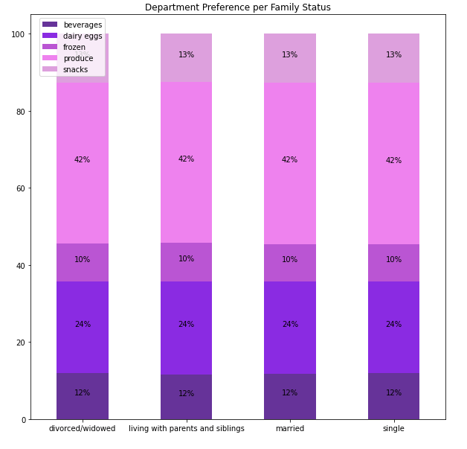

Question 10 | What differences can you find in ordering habits of different customer profiles? Consider the price of orders, the frequency of orders, the products customers are ordering, and anything else you can think of.

 | Observation
 | No siginificant difference from the comparison of ordering price, purchasing frequency and perference department/products in different customer profile is found.
 | However, considering costomer profiles with income make a difference.
 | Ordering behavior is especially different for low-income customers (including single, married, young people) and high-income young parents.
 | For low-income customers:
 |  | 1. beverages: 15%, which is higher than the average percentage (11-12%).
 |  | 2. dairy eggs: 20%, which is less than the average percentage (24-25%).
 |  | 3. produce: 33%, which is less than the average percentage (42-43%).
 |  | 4. snacks: 22%, which is higher than the average percentage (11%).
 | They purchase snacks a lot more than average might probably result from the relatively low price of snacks.
 | They probably don’t have large refrigerator or kitchen, so they purchase diary eggs and produce products less.
 | These assumptions need to be verified through further analysis.

 | For high-income young parents:
 |  | 1. dairy eggs: 28%, which is higher than the average percentage (24-25%).
 |  | 2. frozen: 16%, which is higher than the average percentage (9-10%)
 |  | 3. produce: 30%, which is less than the average percentage (42-43%).
 | They might not have time to cook, so they purchase realtively less produce prodcucts and more frozen and dairy products.
 | Theis assumption need to also be verified through further analysis.

 | Frequency of orders |  | Max order number

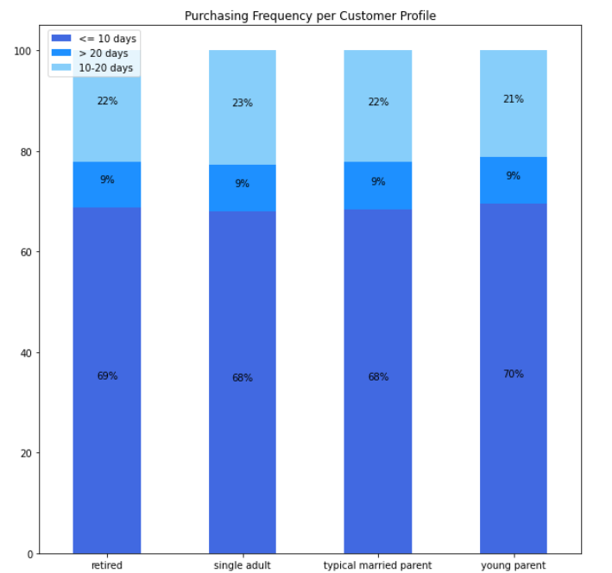
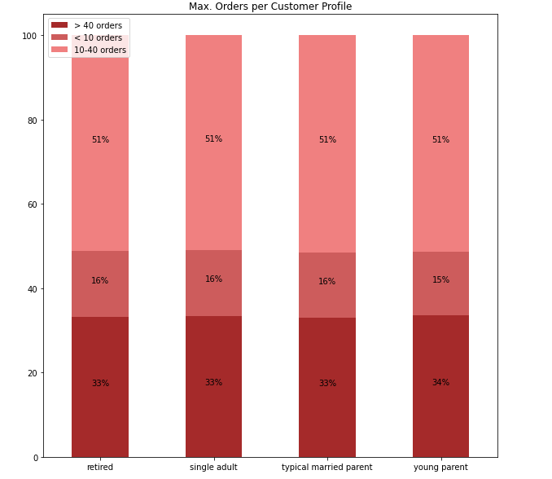

 | Price of orders |  | Department preference I
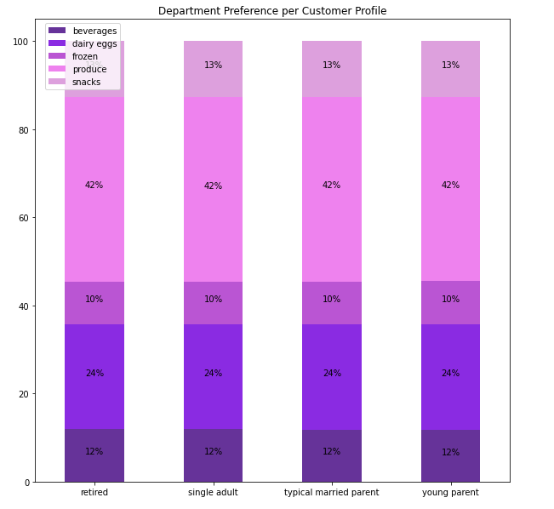
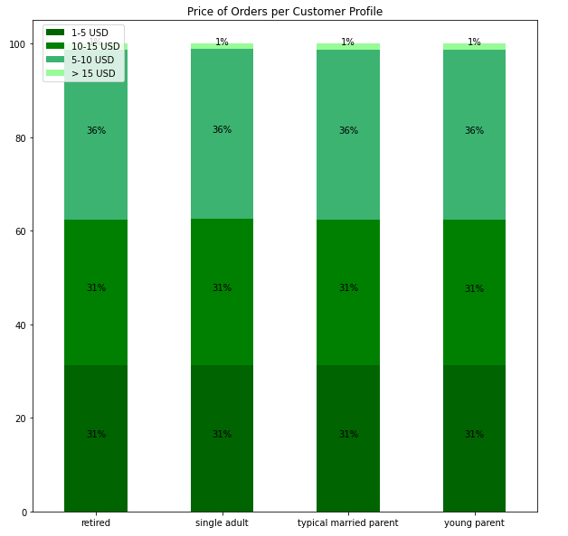

 | Department preference II
 |  |  | Price range in departments

7. Recommendations
 |  |  |  |  |  | Title page

Recommendations

Question 1 | What are the busiest days of the week and hours of the day?

 | Recommendation
 | Schedule advertisement especially on Tuesday and Wednesday starting from 7 am that there would be special discounts on popular goods or shipping cost these days to enhance sales.
 | Limited version of popular gooods could be released ab Tuesday.
 | Cash back or gifts would be given to top 10 repeat shoppers in the middle of week.
 | Bonus points would double after 17 and before 8.
 | Expose ads to potential customers through possible marekt channels on Friday - Sunday.

Question 2 | Are there particular times of the day when people spend the most money?

 | Recommendation
 | Discounts and bonus points could possibly lure more customers to place orders in unpopular days, since they prefer products with low-range prices.
 | Sandwiches/Cooked foods/Microwave Foods could be advertised especially between 8-11 am and 2- 5 pm. Instacart could cooperate with Foodpanda, Uber to have smooth delivery.
 | Once people notice that it is also convenitent and time-saving to purchase lunch or dinner on Instcart, their expenditure could possibly increase at noon and night.
 | Schedule ads ab 7 am every day about top sellers this week could stimulate additional purchase intention.

Question 3 | Instacart want to use simpler price range groupings to help direct their efforts.

 | Recommendation
 | This price range grouping can help us compare factors with each other more efficiently.

Question 4 | Which departments have the highest frequency of product orders? Are there certain types of products that are more popular than others?

 | Recommendation
 | The goods in popular department and top 50 best sellers can be used as a reference for sales compaigns.
 | Foe example, different special discounts on 10 popular goods each week. These goods can be chosen among the list here.
 | On the other hand, Instcart can increase customerized ads targeting the least popular departments.
 | Different marketing strategies could be applied to the following departments:
 | for personal care department:
 | Emphasize healthy and beauty effect of its personal care products. Lunch sale compaigns such as "Buy 1 and get 1 free" in Beauty Week to intrigue purchasing intention.
 | for babies department:
 | Customerized ads only to parents or older customers who might have grandchildren to take care of. Emphasize to young parents how much they can save.
 | Emphasize to typical married parents how healthy and beautiful its products are.
 | for international department:
 | Lauch international week with special dicounts and package. Food sampling can be also provided during international week (France Week, Spanien Week...).
 | for alcohol department:
 | Special sales of different biers and wines each week.
 | for bulk department:
 | Bulk products are mainly for large family. Emphasize how much money people can save in the ads. There is high possibility that they have children in the house.
 | Customerized ads especially to parents or older customers who could have grandchildren.

 |  |  |  | Top 50 Best-Sellers | Total Expenditure
 |  |  |  | Organic Genoa Salami | $65,470
 |  |  |  | Sweet Cream Salted Butter | $65,280
 |  |  |  | Penne Pasta | $65,120
 |  |  |  | Classic Yellow Mustard | $65,000
 |  |  |  | Lemon Verbena Dish Soap | $64,860
 |  |  |  | Yobaby Organic Plain Yogurt | $64,860
 |  |  |  | Organic Shells And White Cheddar | $64,830
 |  |  |  | Organic 1% Low Fat Milk | $64,640
 |  |  |  | Chocolate Chip Cookie Dough Ice Cream | $64,480
 |  |  |  | Organic Chicken Strips | $64,450
 |  |  |  | Chocolate Chip Cookies | $64,300
 |  |  |  | Gluten Free White Sandwich Bread | $64,300
 |  |  |  | 100% Grated Parmesan Cheese | $64,220
 |  |  |  | Organic No Salt Added Diced Tomatoes | $64,220
 |  |  |  | Hint Of Sea Salt Almond Nut Thins | $64,200
 |  |  |  | Medium Scarlet Raspberries | $64,030
 |  |  |  | Mild Italian Chicken Sausage | $63,870
 |  |  |  | Lowfat Small Curd Cottage Cheese | $63,740
 |  |  |  | Large Greenhouse Tomato | $63,420
 |  |  |  | Unsalted Cultured Butter | $63,360
 |  |  |  | Large Grade AA Eggs | $63,070
 |  |  |  | Sweet Potatoes | $63,070
 |  |  |  | Organic Homestyle Waffles | $63,040
 |  |  |  | Organic & Raw Strawberry Serenity Kombucha | $62,880
 |  |  |  | Organic Reduced Fat Omega-3 Milk | $62,700
 |  |  |  | Gluten Free 7 Grain Bread | $62,530
 |  |  |  | Organic Pinto Beans | $62,500
 |  |  |  | Fresh CA Grown Eggs | $62,460
 |  |  |  | Vitamin Water Zero Squeezed Lemonade | $62,300
 |  |  |  | Organic Romaine | $62,270
 |  |  |  | Creamy Almond Butter | $62,240
 |  |  |  | Organic Green Seedless Grapes | $62,240
 |  |  |  | Baby Seedless Cucumbers | $62,180
 |  |  |  | Mint | $61,980
 |  |  |  | Organic Plain Kefir | $61,980
 |  |  |  | Chicken Tenders | $61,700
 |  |  |  | Organic Greek Nonfat Yogurt With Mixed Berries | $61,470
 |  |  |  | Uncured Hickory Smoked Bacon | $61,440
 |  |  |  | Organic Stringles Mozzarella String Cheese | $61,300
 |  |  |  | Bunny Pasta with Yummy Cheese Macaroni & Cheese | $61,250
 |  |  |  | Chicken Thighs | $61,100
 |  |  |  | Baby Portabella Mushrooms | $61,000
 |  |  |  | Select-A-Size White Paper Towels | $60,930
 |  |  |  | Heavy Cream | $60,900
 |  |  |  | Organic Cottage Cheese | $60,700
 |  |  |  | Blueberry on the Bottom Nonfat Greek Yogurt | $60,640
 |  |  |  | Kids Organic Chocolate Chip ZBars | $60,540
 |  |  |  | All Natural Virgin Lemonade | $60,500
 |  |  |  | Hazelnut Spread With Skim Milk & Cocoa | $60,500
 |  |  |  | Almonds & Sea Salt in Dark Chocolate | $60,380

Question 5 | What’s the distribution among users in regards to their brand loyalty (i.e., how often do they return to Instacart)?

 | Recommendation
 | Categorize loyal and regular customers as gold - , platinum - , and diamond memebers based on their expenditure in Instacart each year.
 | Different levels of membership can have different extent of benefits to retain the frequent customers and intrigue regular customers to become frequent customers.
 | For non frequent customers, Instacart needs to create motivation for them to return to shopping.
 | A limited coupon / discount for 1 week can be issued through Email with customerized ads to lure non-frequent customers back for shopping.

Question 6 | Are there differences in ordering habits based on a customer’s loyalty status?

 | Recommendation
 | Issue different levels of membership can help retain loyal and regular frequent - regular customers.
 | Timely limited coupon/ discounts can help lure new customers and non-frequent customers who have placed over 10 orders back to shopping.

Question 7 | Are there differences in ordering habits based on a customer’s region?

 | Recommendation
 | Marketing channels and advertisement should especially be improved in South region.
 | If extra marketing budget is still available, they could then focus on Northeast on the second place.
 | Maketing compaigns can include some local festivals or cultures to lure more customers from South and Northeast.

Question 8 | Is there a connection between age and family status in terms of ordering habits?

 | Recommendation
 | Instacart can attrat customers between 18-24 and over 75 years old with student / elder discounts.
 | Customers, who live with parents and are divorced/widowed, contribute relatively less to the orders. It would be more efficient to discuss the effect of family status by grouping them into single status.
 | (Customer profile would be generated and discussed in Question 10 below)

 | Age in terms of ordering habits

 | Family status in terms of ordering habits

Question 9 | What different classifications does the demographic information suggest? Age? Income? Certain types of goods? Family status?

 | Recommendation
 | Instacart can establish a second-hand department for low income customers:
 | Buy second-hand goods/ near-expired foods and sell them with lower price than the maket price to attract customers who can not afford the market price.
 | Customers with low/middle income might also have interest in these sales.

 | Age vs Certain types of goods |  | Income vs Certain types of goods

 | Income vs Ordering habit

 | Family status vs Certain types of goods

Question 10 | What differences can you find in ordering habits of different customer profiles? Consider the price of orders, the frequency of orders, the products customers are ordering, and anything else you can think of.

 | Recommendation
 | Customerized ads to low-income customers and high-income young parents:
 | For low-income customers: | Advertise mainly snacks and beverages to them. If thers is limited or special discounts on diary or produce products, it should also be included in the ads.
 | For high-income young parents: | Advertise mainly dairy and frozen products to them. Ads can also include produce products which are convenient to eat such as salat.

 | Frequency of orders |  |  | Max order number

 | Price of orders |  |  | Department preference I

 | Department preference II |  |  | Price range in departments

